VISUALS (Examples)
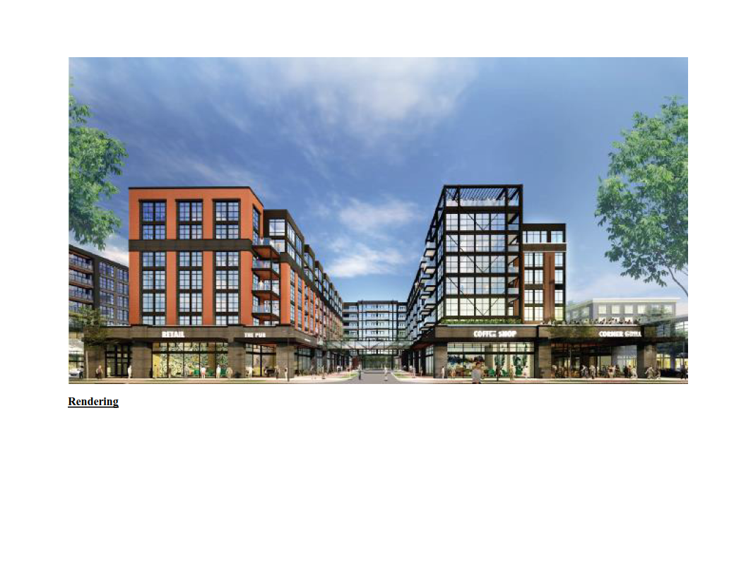
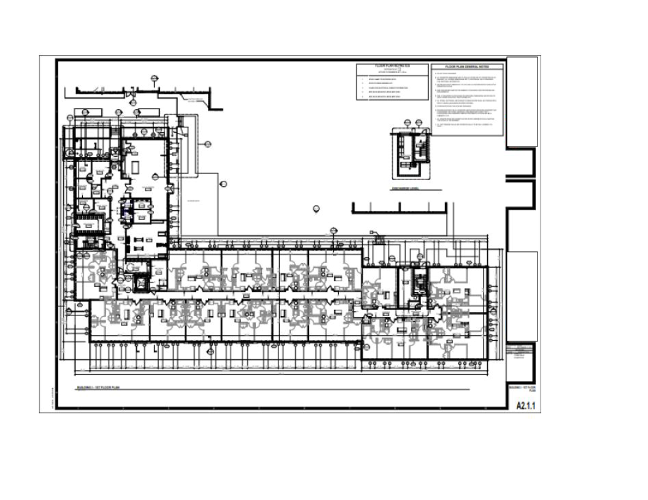
Note: This worksheet is not mapped. Any information entered will not be transferred to our database

VISUALS |  | 0
 | Date: | 0

